General Progress
 |  | MEDICAL NURSING CARE SERVICE

Date Conducted:
Name: |  |  | Birthdate: |  | Age/Sex:
Weight: |  |  | Height: (cm) |  | BMI:

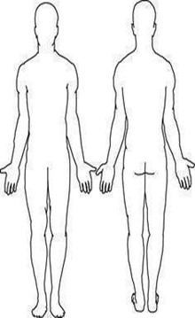
PHYSICAL ASSESSMENT:

SKIN:
HAIR:
EYES:
EARS:
MOUTH:
NAILS:
CHEST & LUNGS:
CARDIO:
ABDOMEN:
GENITALS:
EXTREMITIES:

Assessment:

> Client is wheelchair bound and needs assistance in ADLs
> With good compliance to medications
> Diet: | Diet as tolerated

Remarks:

PREPARED BY:

 |  |  |  | CHRISTINE JAN O. TEMPLANZA, RN
Nurse |  |  |  | Nurse 1

NOTED BY:

CANDELARIA C. TINGSON, RSW
Center Head

PAGE 1 of 1
DSWD Field Office XI, Ramon Magsaysay Avenue, Corned D. Suazo St., Davao City, Philippines 8000
Website: http://www.dswd.gov.ph Tel Nos.: (082) 227 1964

